EEPROM_MODULE (RVP)
DDR5 SKU
TCP0 - EEPROM ADDRESS
EEPROM address - 0x54 - 100 (A2, A1, A0)
I2C_ADDR0
PU | R1P26 | 1k | A93549-016 | UNSTUFF
PD | R2P15 | 100k | A93549-027 | STUFF

I2C_ADDR1
PU | R1P24 | 1k | A93549-016 | UNSTUFF
PD | R2P14 | 100k | A93549-027 | STUFF

LP5 SKU
TCP0 - EEPROM ADDRESS
EEPROM address - 0x54 - 100 (A2, A1, A0)
I2C_ADDR0
PU | R1P26 | 1k | A93549-016 | UNSTUFF
PD | R2P15 | 100k | A93549-027 | STUFF

I2C_ADDR1
PU | R1P24 | 1k | A93549-016 | UNSTUFF
PD | R2P14 | 100k | A93549-027 | STUFF

TCP1 - EEPROM ADDRESS
EEPROM address - 0x55 - 101 (A2, A1, A0)
I2C_ADDR0
PU | R1P26 | 1k | A93549-016 | STUFF
PD | R2P15 | 100k | A93549-027 | UNSTUFF

I2C_ADDR1
PU | R1P24 | 1k | A93549-016 | UNSTUFF
PD | R2P14 | 100k | A93549-027 | STUFF

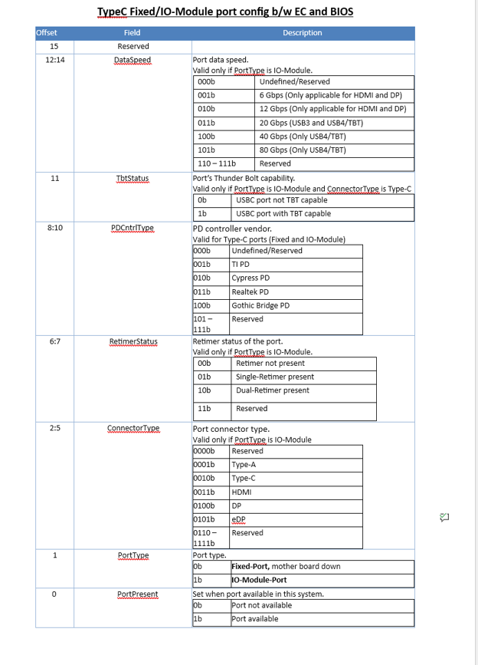
Module Name | EEPROM value bin (16bit) | EEPROM value hex
TCSS Card103, 900- TBT-40G Retimer (TI) Volume | 100100101001011 | 494B
TCSS Card104 - TBT-40G Retimer (CCG) | 100101001001011 | 4A4B
TCSS Card105 - TBT-40G Retimer (RTK) Chrome | 100101101001011 | 4B4B
TCSS Card301 - HDMI 12Gbps Redriver Volume | 10000000001111 | 200F
TCSS Card302 - HDMI 12Gbps Retimer | 10000000001111 | 200F
TCSS Card500,501 - eDP module | 10111 | 17
TCSS Card600 - Type A redriverless | 111 | 7
TCSS Card700 - Gothic Bridge (pending CCB) | 100110001001011 | 4C4B
TCSS Card701 - Gothic Bridge with Hayden Bridge (pending CCB) | 100110010001011 | 4C8B
TCSS card 702 single GBR Module |  | 4C4B
TCSS Card 203 TI Retimerless Module
TCSS card 204 ANX Retimerless Module
TCSS card 800 TI Redriver + PPC Module
TCSS card 801 ANX Redriver + PPC Module
TCSS card 106 Realtek TBT + CCD Module |  | 4B4B

TCSS AIC BOM IPN's(RVP)
M.2 GBR (HBR+PD) - MB Short length | TA, ADD-IN-CARD, WCL,TCSS 702 - USBC GBR RETIMER. | TA- N45935-100 AA - N45934-100 PBA - N45933-100 PB - N45932-001 MP - N49983-001 |  | Reference IPN for Creating the BOM IPN

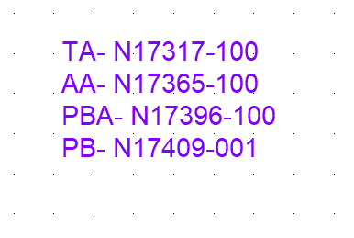
USB3.2 Gen2 to Type A. (Redriverless) | TA,ADD-IN CARD,PTL-P RVP,TCSS 600 -USBAREDRIVERLESS | Direct Reuse from PTL TA - N38705-100 AA - N38707-100 PBA - N38708-100 PB - N38709-001

M.2 HBR - MB Long length. | TA,ADD-IN CARD,PTL-UH,TCSS 103 - USBC RETIMER | Direct Reuse from PTL PB - N38766-001 PBA - N38765-100 AA - N38732-100 TA - N38727-100

TI PD Controller, Type C port - USB3/DP1.4 (HBR3) - Retimerless - MB Short length | TA, ADD-IN-CARD, WCL,TCSS 203 - USBC TI-PD RETIMERLESS. | TA - N45940-100 AA - N45939-100 PBA - N45938-100 PB -N45936-001 MP - N46930 -001
 |  |  |  |  | N34133-001
Anx PD Controller, Type C port - USB3/DP1.4 (HBR3) - Retimerless - MB Short length | TA, ADD-IN-CARD, WCL,TCSS 204 - USBC ANX-PD RETIMERLESS | TA - N46063-100 AA - N46062-100 PBA - N46041-100 PB - N46035-001 MP - N52978-001

Third party ( TI ) redriver USB3.0/DP1.4 (HBR3) - Long length | TA, ADD-IN-CARD, WCL,TCSS 800 - USBC TI-REDRIVER+PPC | TA - N46067-100 AA - N46066-100 PBA - N46065-100 PB - N46064-001 MP- N46915 -001

Third party (AnX) redriver USB3.0/DP1.4 (HBR3) - Long length | TA, ADD-IN-CARD, WCL,TCSS 801 - USBC ANX-REDRIVER+PPC | TA - N46084-100 AA - N46083-100 PBA - N46075-100 PB - N46069-001 MP- N52850-001

WCL Realtek PD TCSS Module (40G RETIMER RTK) | TA,ADD-IN CARD,PTL-P RVP,TCSS 106-USBC 40G RETIMER(RTK) | TA- N50779-100 AA - N50782-100 PBA - N50783-100 PB - N50838-001 MP - N52984-001 | RTK PD FW IPN -N65303-001

